Evidence
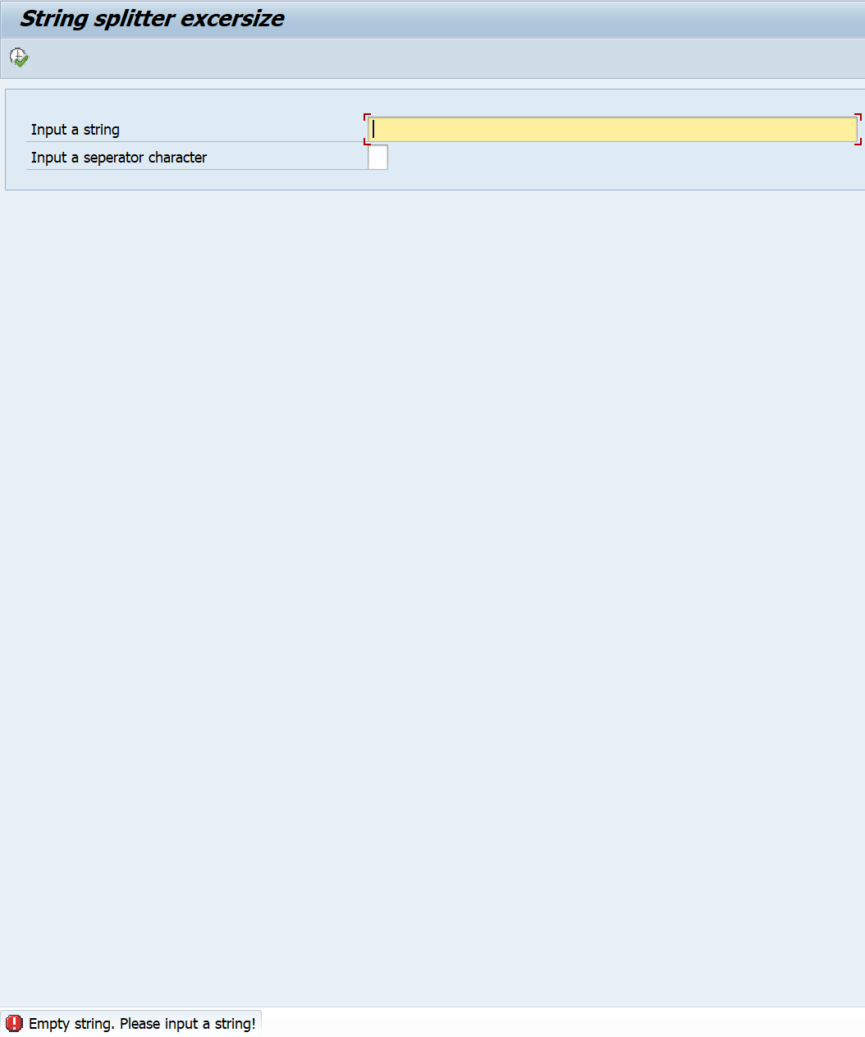
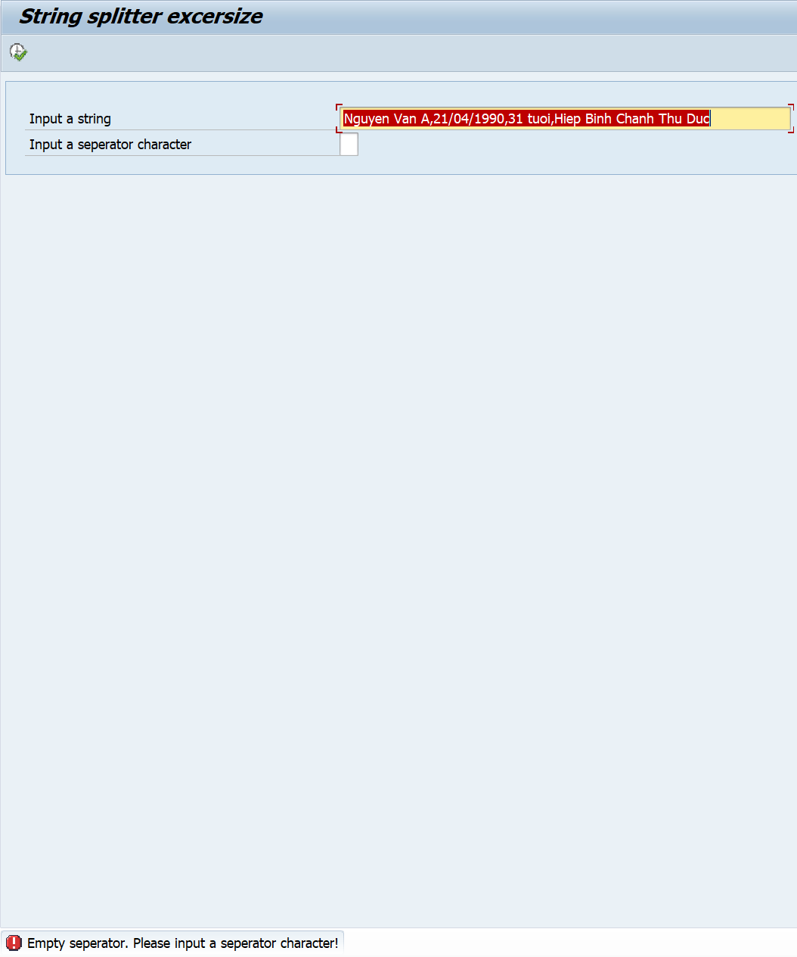
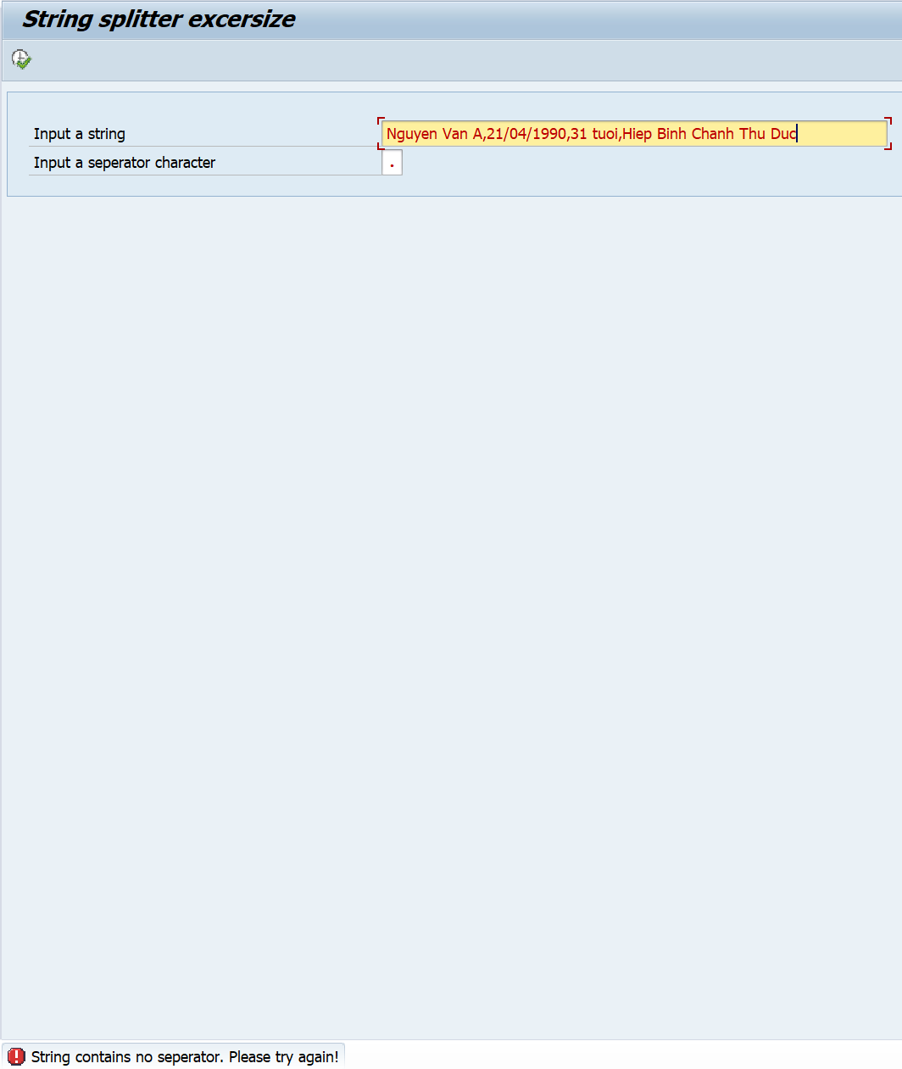
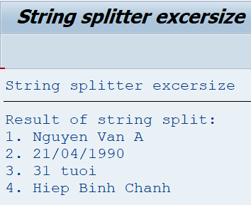
Exercise/Remarks | Screenshots

Exercise 1 | Program Name: |  | YANNP7_DO2_EX01
 | <screenshot>

 | Case 1: Invalid Operator |  |  | Case 2: Divided by 0 |  | Case 3: Divide 1000 by 33 | Case 4: 3 minus 100 |  | Case 5: Sum of 2 Negative numbers |  | Case 6: 10 MOD 3 | Case 7: 23088400 multiplied by 2


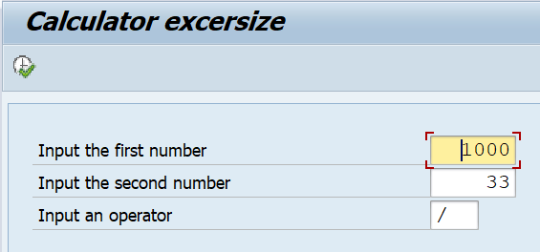

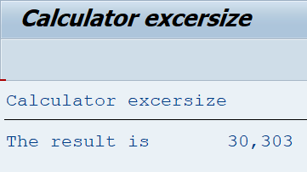
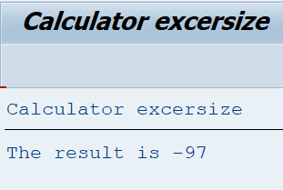
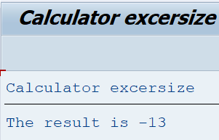
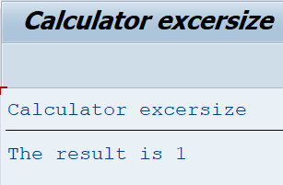
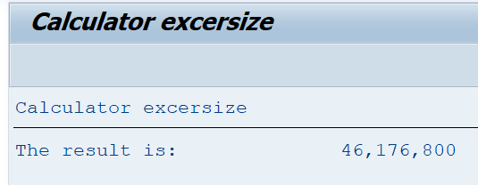

Exercise 2 | Program Name: |  | YANNP7_DO2_EX02
 |  | <screenshot>
 |  | Case 1: Invalid input |  |  | Case 2: 1 iteration |  | Case 3: 5 iterations



 |  |  |  |  | 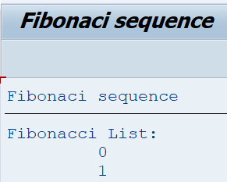 |  | 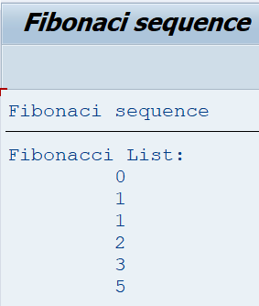

Exercise 3 | Program Name: |  | YANNP7_DO2_EX03
 |  | <screenshot>

 |  | Case 1: Empty input string |  |  |  | Case 2: Empty seperator |  | Case 3: String contain no seperator |  | Case 4: Valid input

